SKETCHES
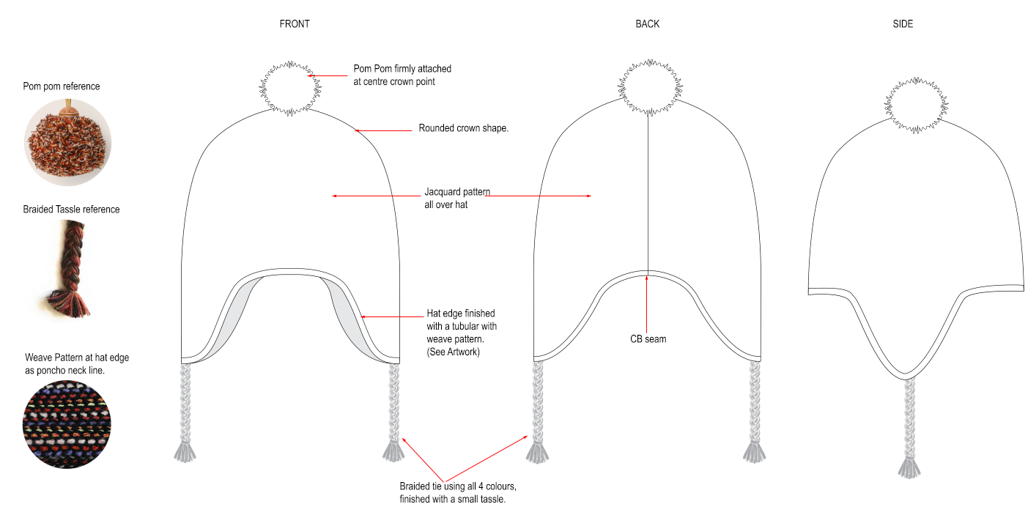
Fitz Roy Patagonia SL |  | Tech Sketches

FLAT SKETCH

DETAIL SKETCH

CODE | DESCRIPTION |  | MEASUREMENT
A
B
C

POINTS OF MEASURE
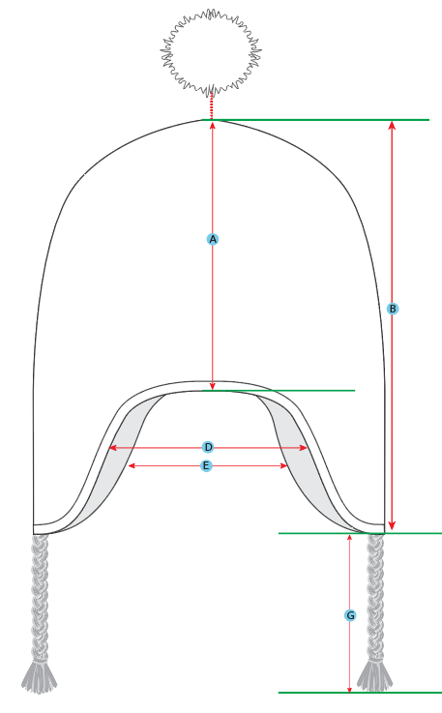 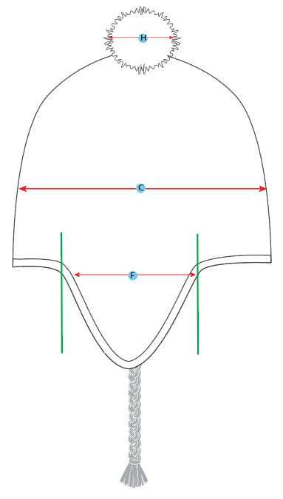
Fitz Roy Patagonia SL | Points of Measure

